Overview
 Portolio Project | Grammy.com Web Analytics

— Your Job
Are you excited to dive into data work for an exciting project at The Recording Academy? You know, the non-profit organization behind the Grammy Awards! In this project, you'll work on real data from both websites owned by The Recording Academy, the non-profit organization behind the famous Grammy Awards. As you just learned, Ray Starck, the VP of Digital Strategy, decided to split the websites into grammy.com and recordingacademy.com to better serve the Recording Academy's various audience needs. Now, you are tasked with examining the effect of splitting up the two websites, and analyzing the data for a better understanding of trends and audience behavior on both sites. Are you ready?!?! Let's do this!

— Your Skills
For this task, you'll engage the following skills: (1) Prepare the data by transforming it. (2) Calculate business KPIs (3) Make recommendations for the organization.

— Ready to Begin? Click the next tab below to explore the data dictionary!

Complete Your Analysis!
About Your Analysis
• All of your answers should be typed or pasted into the grey boxes. • Questions with grey answer boxes expect a specific answer. If you input the correct answer, the question number box will change from blue to green. • Questions with yellow answer boxes are free response questions. There will be no change in the question number boxes (in blue), regardless of answer. • For hints for each question, hover your mouse over the blue hint box to get helpful information!

Now, it's time to analyze!

Part 1: Explore the Data
 | To begin the data exploration you will be looking at the Grammys Data sheet. The data contained there includes all the data provided by The Recording Academy, the organization behind The Grammy Awards. |  | Note!

1a | Create a line chart of the number of daily visitors to the Grammy.com website. See if you can spot the days the Grammy Awards are hosted. Use the Grammys Data sheet for this graph. The horizontal axis should be the date field. |  | Hint!

Visitors Daily Throughout the Years
 | visitors
1/1/2017 | 9611
1/2/2017 | 10752
1/3/2017 | 11425
1/4/2017 | 13098
1/5/2017 | 12234
1/6/2017 | 11461
1/7/2017 | 11183
1/8/2017 | 16265
1/9/2017 | 17852
1/10/2017 | 14211
1/11/2017 | 13456
1/12/2017 | 13616
1/13/2017 | 11880
1/14/2017 | 11888
1/15/2017 | 12706
1/16/2017 | 12691
1/17/2017 | 13260
1/18/2017 | 14483
1/19/2017 | 13551
1/20/2017 | 13215
1/21/2017 | 12578
1/22/2017 | 16502
1/23/2017 | 14620
1/24/2017 | 17787
1/25/2017 | 15447
1/26/2017 | 15211
1/27/2017 | 14007
1/28/2017 | 12950
1/29/2017 | 16137
1/30/2017 | 18765
1/31/2017 | 35148
2/1/2017 | 28565
2/2/2017 | 27502
2/3/2017 | 22888
2/4/2017 | 25069
2/5/2017 | 30728
2/6/2017 | 34723
2/7/2017 | 47583
2/8/2017 | 52279
2/9/2017 | 73648
2/10/2017 | 91058
2/11/2017 | 133362
2/12/2017 | 1930245
2/13/2017 | 1057729
2/14/2017 | 213939
2/15/2017 | 105345
2/16/2017 | 72888
2/17/2017 | 62042
2/18/2017 | 56309
2/19/2017 | 45545
...

1b | What can you say about the visitors to the website by looking at the graph?

 | There are 2 peaks in a cycle that occurs every year. I suppose one of them is during the Grammy Award which is why there are signfiicantly more visitors during those times periodically as the Grammy is hosted annually.

 |  |  |  | Place the PivotTable for Task 2a below.
2a | Using the Grammys Data sheet, create a PivotTable to compare the average daily website visitors on days when an award ceremony was held to those when no awards ceremonies were held. |  | Hint! | Row Labels | Average of visitors
 |  |  |  | Grammy Awards | 1389590.2308
2b | What can you say about these results? Roughly how many more visitors are on the website for the Grammy Awards ceremony versus a regular day? |  |  | Regular Day | 32388.276943
 |  |  |  | Grand Total | 39921.848847
 | Thee average amount of visitors on Grammy Awards is 1.39 million which is 1.35 million more visitors than the average number of visitors on a regular day.

3 | February 1st, 2022 marks the transition from when Grammy.com began to only host Grammys content instead of both Recording Academy and Grammys content. Fill in the values in the website_content column in the Grammys Data sheet. This column will have the value "Grammys" if the date occurred on or after 2/1/2022 and the value "Grammys + TRA" otherwise. |  | Hint!

Part 2: Analyze the Data
 | The Recording Academy is interested in several KPIs (Key Performance Indicators) to determine if the change from one site to two separate sites has improved these KPIs. In the section below you will calculate bounce rate, pages per session, and average time on site KPIs. |  | Note!

 | Calculate the pages_per_session metric by first finding the total pageviews and then dividing that by the total number of sessions. Pages per session is an important measure of how many unique pages a user views before leaving the site -- it's a strong indicator of user engagement.
4a | What is the pages_per_session on the Recording Academy data? | 2.78 | Hint!
4b | What is the pages_per_session on the Grammys data? | 2.25
4c | What is the pages_per_session on the Grammys + TRA data? | 1.86
 | Calculate the bounce_rate metric. You will need to first calculate the total bounced_sessions and divide by the total number of sessions. Bounce rate is an important metric that calculates the percentage of users (aka sessions) that come to your site and never interact with the page and leave. They are said to have "bounced" off your home page. It is a measure of how engaging your home page is with users.
5a | What is the bounce_rate on the Recording Academy data? | 0.34 | Hint!
5b | What is the bounce_rate on the Grammys data? | 0.40
5c | What is the bounce_rate on the Grammys + TRA data? | 0.42
 | Calculate the average_time_on_site metric. To do this, you only need to calculate the average of the avg_session_duration_secs column. Average Time on Site measures how engaging your website experience is for your users. The higher the number, the longer they are staying on your page and engaging with the content.
6a | What is the average_time_on_site on the Recording Academy data? | 128.50 | Hint!
6b | What is the average_time_on_site on the Grammys data? | 82.99
6c | What is the average_time_on_site on the Grammys + TRA data? | 102.85
Part 3: Device Breakdown
 | Ray and team want to know the percentage of visitors coming from mobile devices (iOS, Android, Tablets). They want to optimize the experience for mobile users but need to understand the percentage of mobile users in order to determine the impact it will have on the site.

7a | In the Grammys Data sheet there is a mobile_visits table on the right. Use the XLOOKUP function to fill in the missing column of the grammys table by looking up the corresponding date and returning the mobile_visitors column of the mobile_visits table. If the date is not found, the function should return the numeric value 0. |  | Hint!

7b | What percentage of uses across all dates in the dataset use a mobile device to visit the website? To calculate this value, you will the total number of mobile_visitors and divide by the total number of visitors | 73.7% | Hint!
Part 4: Communicate Findings
8 | Using the work you did in this project, would you recommend that the websites stay separate? Please give a 2-3 paragraph answer using details from the analysis work above explaining why or why not they should stay separate. |  | Hint!

 | I would recommend that the websites stay separate for the Grammys and the Recording Academy for several metrics in this analysis. First, the pages_per_session when the two are combined is 1.86. The higher this number is, the more pages a user is going through in one singular session indicating a higher level of engagement. While they are separate, the pages_per_session for Grammys is 2.25 and 2.78 for that of the Recording Academy. Even though the sample sizes are different, the higher numbers still indicate that for the dedicated audiences of each website, the content is sticking to the visitors better than when the two websites are combined because the content would be tailored to the selected audiences' interests. Second, the bounce_rate when the two websites are combined is 0.42. For this particular metric, we would want to have it as low as possible as it indicates that the user is less engaged by the content presented the higher this metric is. Bounce_rate shows the percentage of sessions that had a single page visit. We see a decrease in bounce_rate after the websites' separation with bounce_rates of 0.34 and 0.40 corresponding to the Recording Academy and Grammys respectively. Third, the average_time_on_site when the two websites are combined is 102.85. For this metric, we want it to be as high as possible as it indicates that the user is spending more time engaging with the content which means that the content is want they want. After the separation, we see an increase in average_time_on_site for the Recording academy with that of 128.50 and a decrease in average_time_on_site for the Grammys with that of 82.99. Even though there is a decrease for the Grammys, I still would recommend that the websites stay separate not only because of the previous two pieces of details, but also for the fact that the separation of websites allows the websites to tailor their content to each of the audiences and improve based on the needs of the said audiences. I also

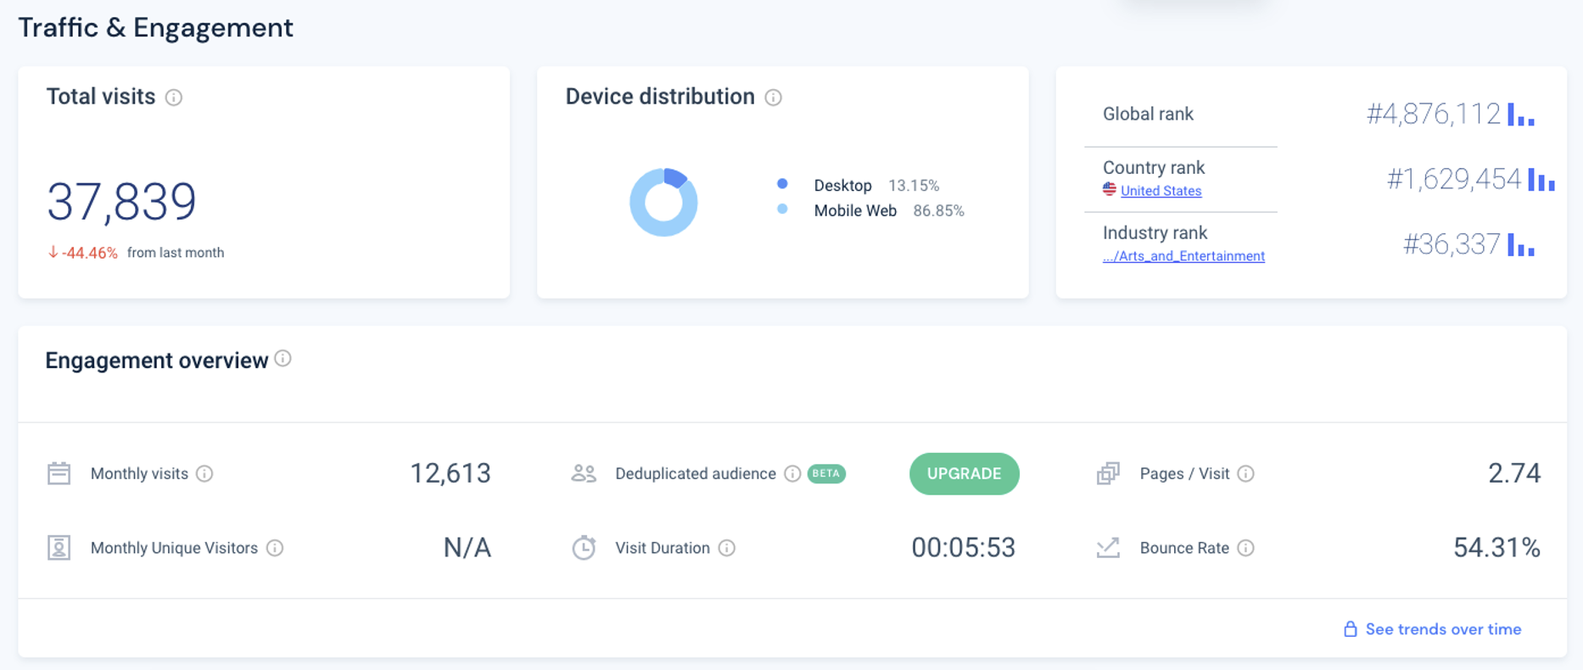
9 | Ray's team is also interested in comparing metrics of the Grammy.com website to that of their main competitor, The American Music Awards (theAMAs.com). On the right you will find a dashboard of the key metrics from The AMAs, use your findings from above to give feedback to Ray and team on which metrics are performing better / worse relative to the competition.

 | There is a higher percentage of mobile users on the AMAs, than the Grammys. I would recommend to make good mobile accomodations on the website to attract more mobile users. Based on the assumption that the Pages / Visit metric on the AMAs is synonymous to the pages_per_session on the Grammys, the AMAs has a pages_per_session of 2.74 which is much higher than that of the Grammys which had a pages_per_session of 2.25. The bounce rate on AMAs is 54.31% which is higher than the bounce rate on the Grammys of 40% indicating that the contents on the Grammys are engaging the users much better than the AMAs are doing for their users. The visit duration is 353 seconds on the AMAs and 82.99 seconds on the Grammys. This means that the users on AMAs on average spends significantly more time than the users on the Grammys.

LevelUp! A/B Test in Excel
 | In your calculations for Ray, you noticed that there was indeed a difference in the pages_per_session metric between the "Grammys + TRA" content and the Recording Academy Data sheet. He wants to know if that difference is statistically significant and wants you to performan an A/B Test on the results. You have been provided with the control and test numbers in the AB Testing sheet. Use those to complete the analysis below.

10a | In words, state the null hypothesis for the A/B test. |  | Hint!
 | The pages_per_session metric for the Recording Academy Data is the same or lower than that of the "Grammys + TRA."

 | In words, state the alternative hypothesis for the A/B test.
 | The pages_per_session metric for the Recording Academy Data is higher than that of the "Grammys + TRA."

10b | Use the Data Analysis Toolpak to run an A/B test between the control group and test group. |  | Note!

10c | From the output of the A/B test, is there evidence at the 95% confidence level that the pages_per_session between the two websites are different? Why or Why not? Note: Pay attention to scientific notation when analyzing the results!

 | The p-value for the one-tailed test is 2.30E-103 which suggests statisical significance (less than 0.05), meaning that we should reject the null hypothesis in favor of the alternative hypothesis that the pages_per_session metric for the Recording Academy Data is higher than that of the "Grammys + TRA."

